Sheet1
Company Name / Person Name | Nanjing Institute of Software Technology/Wenqiang Qu |  |  | INVOICE
Address:Nanjing, Jiangsu, China
Phone：19852810536
Email：qwqhhjx@163.com |  |  | INVOICE Number | DATE

BILL TO
Bright Data LTD
4 Hamachshev St.
Netanya 4250714
Israel
Tel.: +972-9-8355993

Description | Invoice month | Total amount
Wechat 「数据杂谈」一篇文章及CSDN，知乎同帐号转发 | 2023-11-14 | RMB 900

Total |  | RMB 900

Payment Method: | Alipay payment

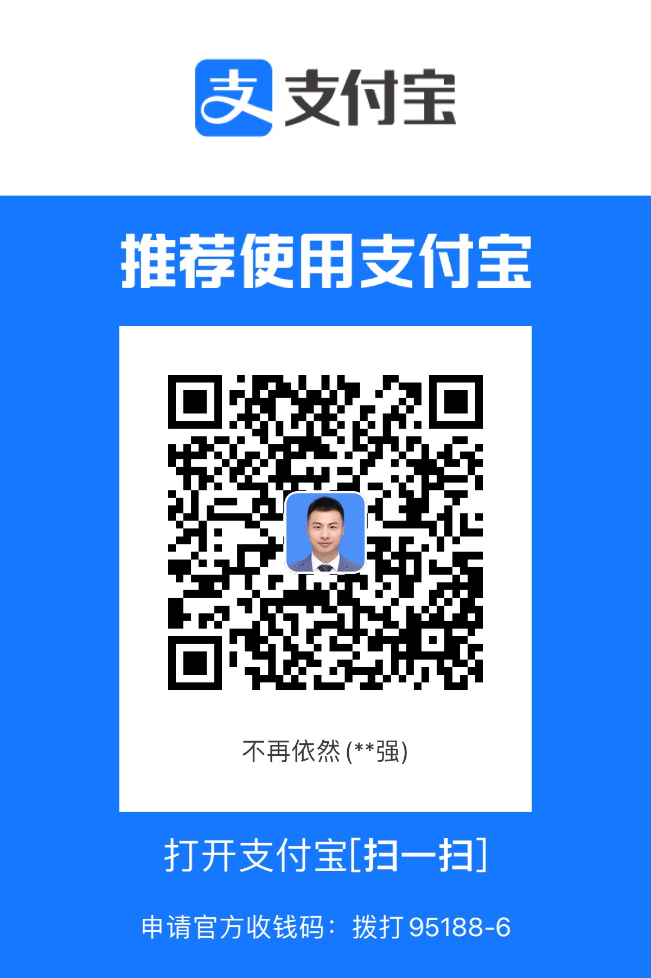
Account Details:
Beneficiary Name:
Bank Name:
Bank Adress:
Account Number:
Branch Transit Number:
Institution Number:
Swift Code:

Wechat 收款二维码
支付宝收款二维码

